Design Runoff Volume
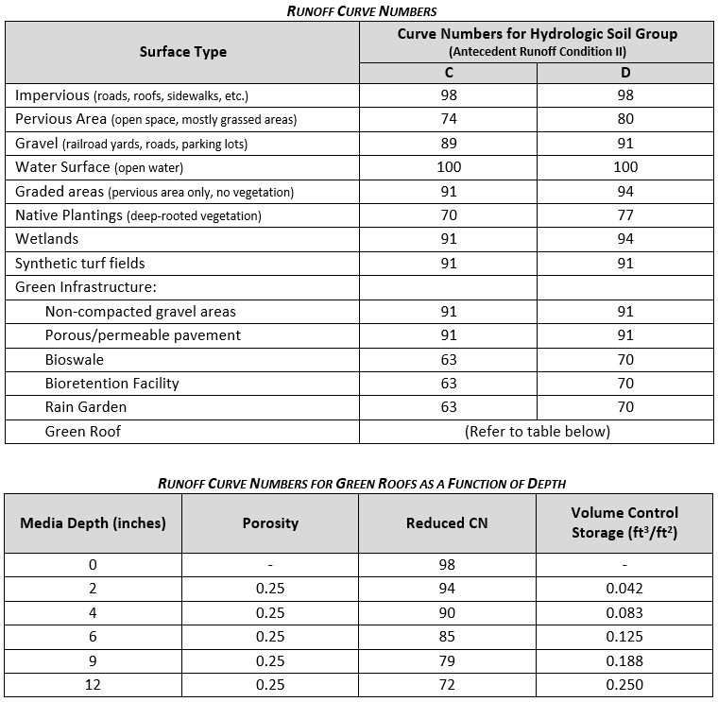
PROPOSED COMPOSITE CURVE NUMBERS, RUNOFF VOLUMES AND PROPOSED DRC |  |  |  |  |  |  |  |  |  |  |  |  |  | Key: | Notes:
 |  |  |  |  |  |  |  |  |  |  |  |  |  |  | 1. Total project area refers to the overall project surface area where storage is proposed, including any waterproof linings. If the surface area of stone widens below the base, include the largest surface area for the overall project. 2. Drainage area refers to the total area that drains to the project. Some projects may have multiple "catchments". For example, a project with three green alleys should provide information for three catchment areas - one for each alley. Please attach an exhibit outlining the areas and showing how they drain into proposed GI. 3. Projects with a ratio of project/drainage area > 30% will be required to manage a minimum runoff volume from a 5-inch 24-hr rainfall event. Projects with a ratio of project/drainage area < 30% will be required to manage a minimum of runoff volume from a 3-inch 24-hr rainfall event. Funding will be capped at the runoff volume from a 8.5-inch 24-hr rainfall event. 4. Remember to update the total project area (ac), catchments, and proposed DRC (gal) for each design stage. 5. Add more Layer rows or Retention Areas as necessary, making sure the Total DRC is calculating correctly.
Project: |  |  |  |  |  |  |  | Design Stage: |  |  |  |  |  | user input

Engineer's Signature: |  |  |  |  |  |  |  | IL PE License No.: |  |  |  |  |  | calculated

$$Q_{D}=\frac{{\left(P−0.2S\right)}^{2}}{\left(P+0.8S\right)}$$
$$V_{R}=Q_{D}A\left(\frac{1}{12\frac{in}{ft}}\right)$$
Formulas: | Composite CN = (Total Product)/(Total Area) |  |  |  | Minimum Runoff Depth, QDmin (in) |  |  |  |  | Minimum Runoff Volume, VRmin (gal)
 |  |  |  |  | Maximum Goal Runoff Depth, QDmax (in) |  |  |  |  | Maximum Funded Runoff Volume, VRmax (gal)
 | Maximum Retention, S
$S=\frac{1000}{CN}$-10

Project Specifics: | Total Project Area (update for each design stage): |  |  | ac | Ratio of Project/Drainage Area: |  |  |  | % | Required Minimum 24-hr Rainfall Depth (in): |  |  | 5.0
 | Drainage Area: |  |  | ac |  |  |  |  |  | Maximum Funded 24-hr Rainfall Depth (in): |  |  | 8.5

RUNOFF CURVE NUMBER (LIST ALL SURFACES THAT DRAIN INTO PROPOSED GREEN INFRASTRUCTURE AND ATTACH AN EXHIBIT OUTLINING THE AREAS AND SHOWING HOW THEY DRAIN INTO PROPOSED GI)

Catchment Name |  | Total Drainage Area (ac) | Hydrologic Soil Group (HSG) | Surface Type | CN (see options below) | Area (ac) | Product (CN)(Area) | Composite CN | Maximum Retention, S (in) | Minimum Runoff Depth, QDmin (in) | Maximum Runoff Depth, QDmax (in) | Minimum Runoff Volume, VRmin (gal) | Maximum Runoff Volume, VRmax (gal) | Proposed DRC (gal) | *update for each design stage

TOTAL |  | Fill in Drainage Area values | - |  |  |  |  | Fill in total values | Fill in total values | Fill in total values | Fill in total values | Fill in total values | Fill in total values | Fill in DRC values

Final Constructed Runoff Volume
PROPOSED COMPOSITE CURVE NUMBERS, RUNOFF VOLUMES AND PROPOSED DRC |  |  |  |  |  |  |  |  |  |  |  |  |  | Key: | Notes:
 |  |  |  |  |  |  |  |  |  |  |  |  |  |  | 1. Total project area refers to the overall project surface area where storage is proposed, including any waterproof linings. If the surface area of stone widens below the base, include the largest surface area for the overall project. 2. Drainage area refers to the total area that drains to the project. Some projects may have multiple "catchments". For example, a project with three green alleys should provide information for three catchment areas - one for each alley. Please attach an exhibit outlining the areas and showing how they drain into proposed GI. 3. Projects with a ratio of project/drainage area > 30% will be required to manage a minimum runoff volume from a 5-inch 24-hr rainfall event. Projects with a ratio of project/drainage area < 30% will be required to manage a minimum of runoff volume from a 3-inch 24-hr rainfall event. Funding will be capped at the runoff volume from a 8.5-inch 24-hr rainfall event. 4. Remember to update the total project area (ac), catchments, and proposed DRC (gal) for each design stage. 5. Add more Layer rows or Retention Areas as necessary, making sure the Total DRC is calculating correctly.
Project: |  |  |  |  |  |  |  | Design Stage: | Construction Complete |  |  |  |  | user input

Engineer's Signature: |  |  |  |  |  |  |  | IL PE License No.: |  |  |  |  |  | calculated

$$Q_{D}=\frac{{\left(P−0.2S\right)}^{2}}{\left(P+0.8S\right)}$$
$$V_{R}=Q_{D}A\left(\frac{1}{12\frac{in}{ft}}\right)$$
Formulas: | Composite CN = (Total Product)/(Total Area) |  |  |  | Minimum Runoff Depth, QDmin (in) |  |  |  |  | Minimum Runoff Volume, VRmin (gal)
 |  |  |  |  | Maximum Goal Runoff Depth, QDmax (in) |  |  |  |  | Maximum Funded Runoff Volume, VRmax (gal)
 | Maximum Retention, S
$S=\frac{1000}{CN}$-10

Project Specifics: | Total Project Area (update for each design stage): |  |  | ac | Ratio of Project/Drainage Area: |  |  |  | % | Required Minimum 24-hr Rainfall Depth (in): |  |  | 5.0
 | Drainage Area: |  |  | ac |  |  |  |  |  | Maximum Funded 24-hr Rainfall Depth (in): |  |  | 8.5

RUNOFF CURVE NUMBER (LIST ALL SURFACES THAT DRAIN INTO PROPOSED GREEN INFRASTRUCTURE AND ATTACH AN EXHIBIT OUTLINING THE AREAS AND SHOWING HOW THEY DRAIN INTO PROPOSED GI)

Catchment Name |  | Total Drainage Area (ac) | Hydrologic Soil Group (HSG) | Surface Type | CN (see options below) | Area (ac) | Product (CN)(Area) | Composite CN | Maximum Retention, S (in) | Minimum Runoff Depth, QDmin (in) | Maximum Runoff Depth, QDmax (in) | Minimum Runoff Volume, VRmin (gal) | Maximum Runoff Volume, VRmax (gal) | Proposed DRC (gal) | *update for each design stage

TOTAL |  | Fill in Drainage Area values | - |  |  |  |  | Fill in total values | Fill in total values | Fill in total values | Fill in total values | Fill in total values | Fill in total values | Fill in DRC values

Example Design DRC
MWRDGC |  |  |  |  |  |  |  |  | Key: | Notes:
Stormwater Design Retention Capacity (DRC) Calculations |  |  |  |  |  |  |  |  | user input | 1. For questions, please contact MWRD Engineering Staff. 2. How "Volume Factor" is assigned for each layer: - If below the invert of a pipe draining the area/underdrain, it is counted at 100% - If no pipe/underdrain in your GI installation, all volume can be considered "below invert" and counted at 100% - If above the invert, it is counted at 50% - For bioretention areas with depressions for ponding, ponding layer is always counted at 100% (with or without an underdrain) 3. Please reference all user-input data using Notes, References Column 4. 6-hr infiltrated volume (cf) = infiltration rate (in/hr) * surface area (sf) * 6[hrs]/12[in/ft]. Maximum infiltration rate to be used in this calculation is 3.6 in/hr. 5. Add more Layer rows or Retention Areas as necessary, making sure the Total DRC is calculating correctly.
For Green Infrastructure (GI) |  |  |  |  |  |  |  |  | calculated |  |  | Standard Assumptions:
 |  |  |  |  |  |  |  |  |  |  |  | Media | Porosity
Project Name: |  | Green Alley & Bioretention in Gotham |  |  |  |  |  |  |  |  |  | CA-1 | 0.41
Project / IGA Number: |  | 24-IGA-00 |  | Design Stage: | 100% | (non-final) |  |  |  |  |  | CA-7 | 0.38
Total Project Area: |  | 0.2548 | ac | Drainage Area: | 0.76 | ac |  |  |  |  |  | CA-16/ASTM 8 | 0.28
Ratio of Project/Drainage Area: |  | 33.60% | % |  |  |  |  |  |  |  |  | FA-1 | 0.28
Total Constructed Volume: |  | 106,670 | gallons | Runoff Volume Check: |  |  |  |  |  |  |  | Engineered Soil | 0.25
Total Infiltration Volume: |  | 137,669 | gallons | DRC maximum runoff volume has been reached; MWRD contribution will be capped
Design DRC: |  | 244,339 | gallons
Design DRC (Capped): |  | 158,019 | gallons
Infiltration Volume (Capped): |  | 51,349
Reimbursement Rates: |  | $4.00 | per gallon (Constructed) |  | $1.00 | per gallon (Infiltration)
Calculated MWRD Contribution: |  | $478,028.34
Total Construction Cost Estimate: |  | $2,500,000.00
Construction Cost Estimate (GI only) |  | $1,000,000.00
MWRD Max. Cost Share: |  | 50% | % | MWRD Max. Contribution: |  | $500,000.00 |  | %
Resulting Potential MWRD Contribution: |  | $478,028.34
Engineer's Signature (Final Design only): |  | Bruce Wayne |  |  | IL PE License No.: |  | 123.456789

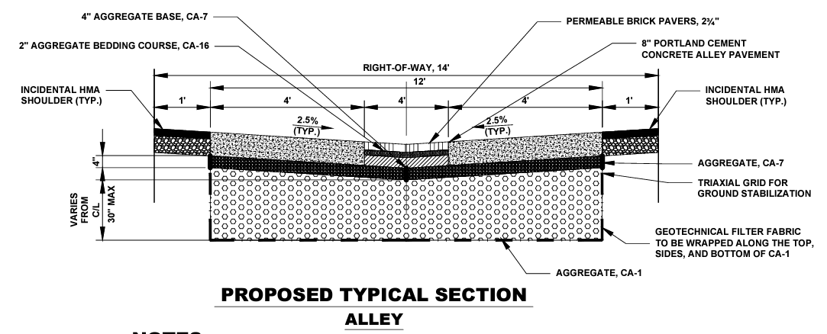
Retention Area #1 (Green Alley) |  |  |  |  |  |  |  |  |  |  |  | Insert image of typical section here:
Stone, Soil, Ponding Layers Volume ("Constructed Volume")
Layer # | Layer Description (Aggregate Size, Soil, Ponding) |  | Porosity | Location relative to underdrain | Volume Factor | Depth (ft) | Length (ft) | Width (ft) | Surface Area (sf) | Layer Volume (cf) | Notes, References
1 | bedding course, CA-16 |  | 0.28 | below invert | 100% | 0.167 | 800 | 4 | 3200 | 149.33
2 | aggregate base, CA-7 |  | 0.38 | below invert | 100% | 0.333 | 800 | 4 | 3200 | 405.33
3 | full alley width, CA-7 |  | 0.38 | below invert | 100% | 0.333 | 800 | 12 | 9600 | 1,216.00
4 | aggregate, CA-1 |  | 0.41 | below invert | 100% | 2.500 | 800 | 12 | 9600 | 9,840.00
5 |  |  |  |  | 0%
 |  |  |  |  |  |  |  |  | Subtotal Constructed Volume (cf) | 11,610.67
 |  |  |  |  |  |  |  |  | Subtotal Constructed Volume (gallons) | 86,847.79

Groundwater Check |  |  |  |  |  |  |  |  |  |  | Notes, References
Elevation of bottom of BMP (the infiltration surface) (ft) |  |  |  |  |  |  |  |  |  | 10.00 | sheet 2
Groundwater elevation (ft) |  |  |  |  |  |  |  |  |  | 6.00 | see geotech report
Depth to seasonal groundwater level (ft) (Must be 2 feet or greater, or 3.5 feet or greater if draining to combined sewer) |  |  |  |  |  |  |  |  |  | 4.00

Infiltration Volume |  |  |  |  |  |  |  |  |  |  | Notes, References
Vertical infiltration rate of surrounding soil (in/hr) (preferred to be estimated/measured at the lowest excavation elevation) |  |  |  |  |  |  |  |  |  | 5.30 | see geotech report
 |  |  |  |  |  |  |  |  | Infiltration rate to be used for calculation (in/hr) | 3.60
Surface Area across which infiltration occurs (sf) |  |  |  |  |  |  |  |  |  | 9600.00 | same as the CA-1 layer in this case
6-hr infiltrated volume (cf) |  |  |  |  |  |  |  |  |  | 17,280.00
 |  |  |  |  |  |  |  |  | Infiltration Volume (gallons) | 129,254.40

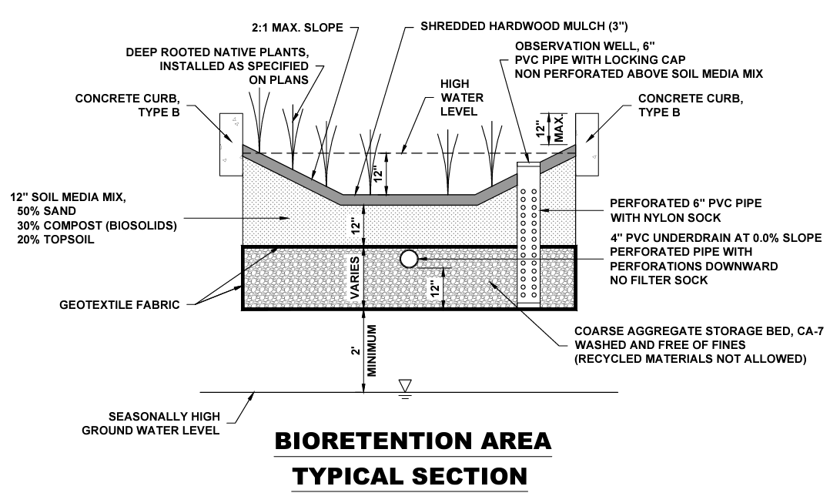
Retention Area #2 (Bioretention) |  |  |  |  |  |  |  |  |  |  |  | Insert image of typical section here:
Stone, Soil, Ponding Layers Volume ("Constructed Volume")
Layer # | Layer Description (Aggregate Size, Soil, Ponding) |  | Porosity | Location relative to underdrain | Volume Factor | Depth (ft) | Length (ft) | Width (ft) | Surface Area (sf) | Layer Volume (cf) | Notes, References
1 | ponding |  | 1.00 | ponding | 100% | 1.000 | 50 | 35 | 1750 | 1,750.00 | bioretention length of 20' and top width of 10' (sheet 6); adjusted surface area for ponding due to the sloped sides (optional to adjust equation to add in the extra triangles of soil); aggregate above invert varies, see sheets 6-8
2 | soil media mix |  | 0.25 | above invert | 50% | 1.000 | 50 | 30 | 1500 | 187.50
3 | aggregate storage bed, CA-7 |  | 0.38 | above invert | 50% | 0.500 | 50 | 30 | 1500 | 142.50
4 | aggregate storage bed, CA-7 |  | 0.38 | below invert | 100% | 1.000 | 50 | 30 | 1500 | 570.00
5 |  |  |  |  | 0%
 |  |  |  |  |  |  |  |  | Subtotal Constructed Volume (cf) | 2,650.00
 |  |  |  |  |  |  |  |  | Subtotal Constructed Volume (gallons) | 19,822.00

Groundwater Check |  |  |  |  |  |  |  |  |  |  | Notes, References
Elevation of bottom of BMP (the infiltration surface) (ft) |  |  |  |  |  |  |  |  |  | 10.0 | sheet 2
Groundwater elevation (ft) |  |  |  |  |  |  |  |  |  | 6.0 | see geotech report
Depth to seasonal groundwater level (ft) (Must be 2 feet or greater, or 3.5 feet or greater if draining to combined sewer) |  |  |  |  |  |  |  |  |  | 4.00

Infiltration Volume |  |  |  |  |  |  |  |  |  |  | Notes, References
Vertical infiltration rate of surrounding soil (in/hr) (preferred to be estimated/measured at the lowest excavation elevation) |  |  |  |  |  |  |  |  |  | 1.50 | see geotech report
 |  |  |  |  |  |  |  |  | Infiltration rate to be used for calculation (in/hr) | 1.50
Surface Area across which infiltration occurs (sf) |  |  |  |  |  |  |  |  |  | 1500.0 | same as the CA-7 layer in this case
6-hr infiltrated volume (cf) |  |  |  |  |  |  |  |  |  | 1,125.00
 |  |  |  |  |  |  |  |  | Infiltration Volume (gallons) | 8,415.00

Example Runoff Volume
PROPOSED COMPOSITE CURVE NUMBERS, RUNOFF VOLUMES AND PROPOSED DRC |  |  |  |  |  |  |  |  |  |  |  |  |  | Key: | Notes:
 |  |  |  |  |  |  |  |  |  |  |  |  |  |  | 1. Total project area refers to the overall project surface area where storage is proposed, including any waterproof linings. If the surface area of stone widens below the base, include the largest surface area for the overall project. 2. Drainage area refers to the total area that drains to the project. Some projects may have multiple "catchments". For example, a project with three green alleys should provide information for three catchment areas - one for each alley. Please attach an exhibit outlining the areas and showing how they drain into proposed GI. 3. Projects with a ratio of project/drainage area > 30% will be required to manage a minimum runoff volume from a 5-inch 24-hr rainfall event. Projects with a ratio of project/drainage area < 30% will be required to manage a minimum of runoff volume from a 3-inch 24-hr rainfall event. Funding will be capped at the runoff volume from a 8.5-inch 24-hr rainfall event. 4. Remember to update the total project area (ac), catchments, and proposed DRC (gal) for each design stage. 5. Add more Layer rows or Retention Areas as necessary, making sure the Total DRC is calculating correctly.
Project: | Green Alley & Bioretention in Gotham |  |  |  |  |  |  | Design Stage: | 100% |  |  |  |  | user input

Engineer's Signature: | Bruce Wayne |  |  |  |  |  |  | IL PE License No.: | 123.456789 |  |  |  |  | calculated

$$Q_{D}=\frac{{\left(P−0.2S\right)}^{2}}{\left(P+0.8S\right)}$$
$$V_{R}=Q_{D}A\left(\frac{1}{12\frac{in}{ft}}\right)$$
Formulas: | Composite CN = (Total Product)/(Total Area) |  |  |  | Minimum Runoff Depth, QDmin (in) |  |  |  |  | Minimum Runoff Volume, VRmin (gal)
 |  |  |  |  | Maximum Goal Runoff Depth, QDmax (in) |  |  |  |  | Maximum Funded Runoff Volume, VRmax (gal)
 | Maximum Retention, S
$S=\frac{1000}{CN}$-10

Project Specifics: | Total Project Area (update for each design stage): |  | 0.2548 | ac | Ratio of Project/Drainage Area: |  |  | 33.60% | % | Required Minimum 24-hr Rainfall Depth (in): |  |  | 5.0
 | Drainage Area: |  | 0.7585 | ac |  |  |  |  |  | Maximum Funded 24-hr Rainfall Depth (in): |  |  | 8.5

RUNOFF CURVE NUMBER (LIST ALL SURFACES THAT DRAIN INTO PROPOSED GREEN INFRASTRUCTURE AND ATTACH AN EXHIBIT OUTLINING THE AREAS AND SHOWING HOW THEY DRAIN INTO PROPOSED GI)

Catchment Name |  | Total Drainage Area (ac) | Hydrologic Soil Group (HSG) | Surface Type | CN (see options below) | Area (ac) | Product (CN)(Area) | Composite CN | Maximum Retention, S (in) | Minimum Runoff Depth, QDmin (in) | Maximum Runoff Depth, QDmax (in) | Minimum Runoff Volume, VRmin (gal) | Maximum Runoff Volume, VRmax (gal) | Proposed DRC (gal) | *update for each design stage
Green Alley |  | 0.7115 | C | Roof | 98 | 0.3520 | 34.50 | 93.51 | 0.694 | 4.254 | 7.720 | 82,174 | 149,143 | 216,102
 |  |  |  | Backyard | 74 | 0.0400 | 2.96
 |  |  |  | Permeable pavement | 91 | 0.3195 | 29.07

Bioretention |  | 0.0470 | C | Concrete curb | 98 | 0.002 | 0.20 | 87.15 | 1.475 | 3.582 | 6.955 | 4,572 | 8,876 | 28,237
 |  |  |  | Native plants | 70 | 0.020 | 1.40
 |  |  |  | Open water | 100 | 0.025 | 2.50

TOTAL |  | 0.76 | - | Roof | 98 | 0.3520 | 34.50 | 93.11 | 0.740 | 4.210 | 7.673 | 86,712 | 158,019 | 244,339
 |  |  |  | Backyard | 74 | 0.0400 | 2.96
 |  |  |  | Permeable pavement | 91 | 0.3195 | 29.07
 |  |  |  | Concrete curb | 98 | 0.002 | 0.20
 |  |  |  | Native plants | 70 | 0.020 | 1.40
 |  |  |  | Open water | 100 | 0.025 | 2.50

